Bathroom Sanitary list
 | Client :20-099 Mr. Hesham Location : Dubai |  | 
 | SANITARY LIST
Section no. | Material | Area | Pictures | Quantity
1 | BAGNODESIGN Mezzanine Wall Mounted Concealed Basin Mixer COMP-003638 Finish - Chrome | GF:Bedroom 1 ,Bedroom 2 ,External Majlis FF : Girls Bedroom , Boys Bedroom , Girl Bedroom | 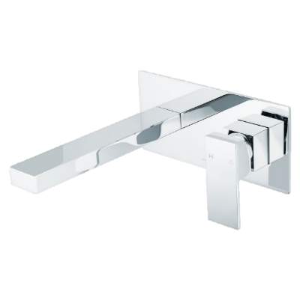 | 11
2 | KOHLER Wall-mount bathroom sink faucet trim with Lever handles, 1.2 gpm K-T14414-4-BV Finish - Vibrant Brushed Bronze | GF : FAMILY LOUNGE WASHES FF : MASTER BATHROOM | 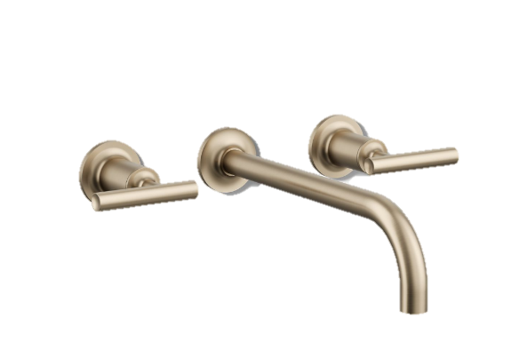 | 6
3 | Duofix bambini Element For Wall Hung Child Wc With Sigma Concealed Cistern GEB-111-923-00-6 Finish - White | GF:Bedroom 1 ,Bedroom 2 ,External Majlis,Family Lounge FF : Girls Bedroom , Boys Bedroom , Girl Bedroom,Master Bathroom | 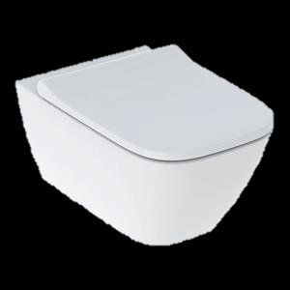 | 8
4 | GEBERIT - 1 - DGEBERIT - Dual Flush Plate With Square Buttons Sigma.GEB-115-883-KH-1 Finish - Chrome. 2 - SMYLE SQUARE WALL MOUNTED RIMLESS WC AND SEAT 355X540X375 MM WHITE GEB-500-683-01-1 | GF:Bedroom 1 ,Bedroom 2 ,External Majlis FF : Girls Bedroom , Boys Bedroom , Girl Bedroom | 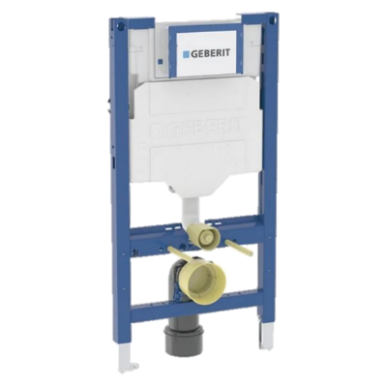  | 6
5 | BAGNODESIGN Universal Bidet Spray Kit ( BDD-UNI-D213-CP ) Finish - Chrome | GF:Bedroom 1 ,Bedroom 2 ,External Majlis FF : Girls Bedroom , Boys Bedroom , Girl Bedroom | 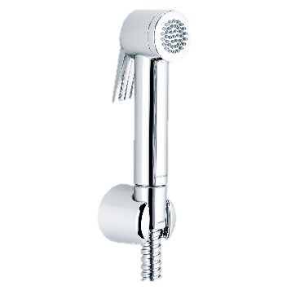 | 6
6 | Kohler 1 - K - 26353IN-M-NA Wall tank with frame. 2 - K-6298-BV Flush Actuator Plate Finish - Vibrant Brushed Bronze | GF : FAMILY LOUNGE WASHES FF : MASTER BATHROOM | 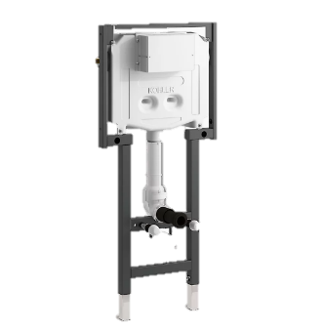 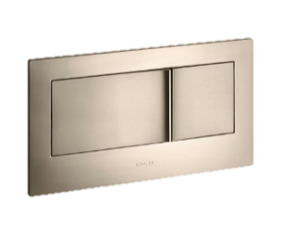 | 2
7 | Kohler - K-98100X-BV Health Faucet Finish - Vibrant Brushed Bronze | GF : FAMILY LOUNGE WASHES FF : MASTER BATHROOM | 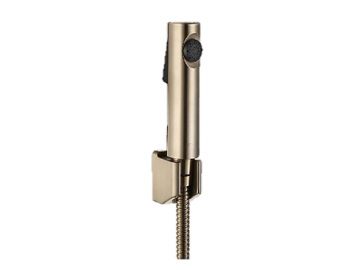 | 2
8 | 1 - Mezzanine Wall Mounted Concealed Shower Mixer With Diverter ( COMP-003566 ) 2 - M-Line Diffusion Shower Head ( BDD-MLI-510-CP ) 3 - M-Line/Toko/Teatro Hand Shower Kit ( BDD-MLI-D515-A-CP ) Finish - Chrome | GF:Bedroom 1 ,Bedroom 2 ,External Majlis FF : Girls Bedroom , Boys Bedroom , Girl Bedroom | 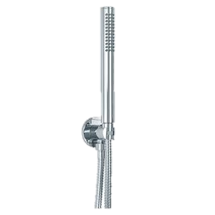 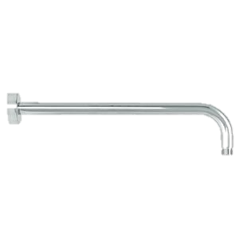 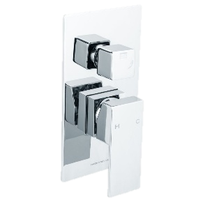 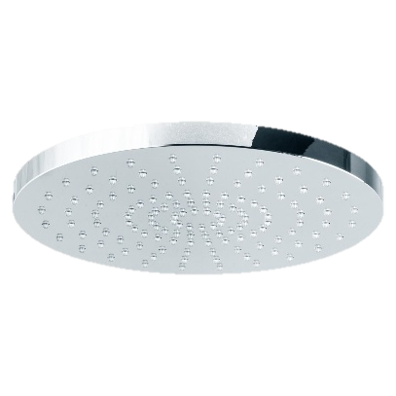 | 6
9 | Kohler 1 - Round 12" single-function rainhead, 2.5 gpm K-13690-BV 2 - Round two-function handshower, 2.5 gpm K-21335-BV 3 - Rite-Temp® valve trim with push-button diverter and lever handle K-T73117-4-BV Finish - Vibrant Brushed Bronze | FF : MASTER BATHROOM | 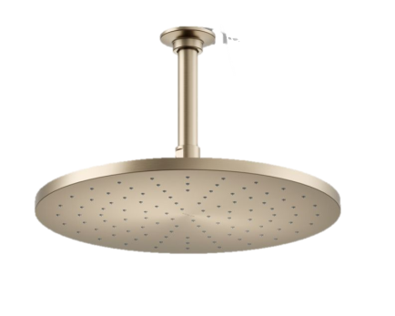 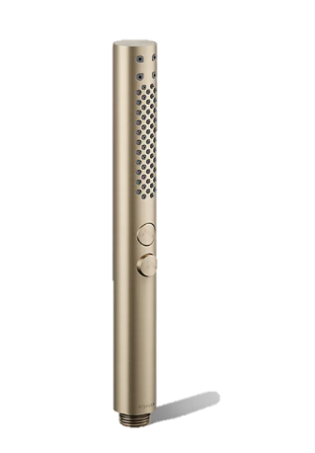 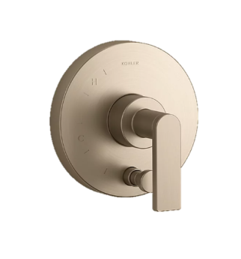 | 1
10 | Beach House Freestanding Bathtub ( BDB-BCH-870-MW )1700 x 800 x 550 mm Finish - White | FF : GIRL BEDROOM MASTER BATHROOM | 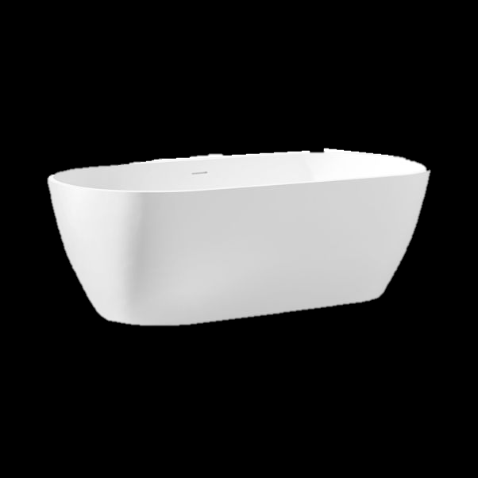 | 2
11 | Rectangle Under Counter Wash Basin Set - White Similar design | GF:Bedroom 1 ,Bedroom 2 ,External Majlis FF : Girls Bedroom , Boys Bedroom , Girl Bedroom , Master Bathroom | 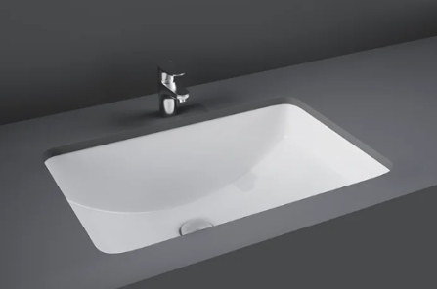 | 11
12 | Counter top Round sink Finish -Brushed Bronze Similar design | Formal Majlis |  | 3
13 | GROHE Blue Pure Minta Filter faucet with pull-out mousseur Product Number 30590000 Finish - Chrome | GF & FF - PANTRY | 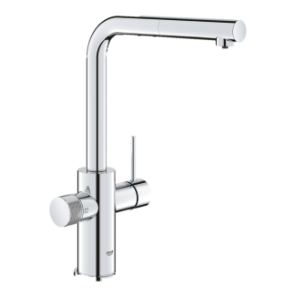 | 2
14 | Reginox New York Inset / Flushmount / Undermount Sink REG-NYK-L-50X40-SS Finish - Chrome | GF & FF - PANTRY | 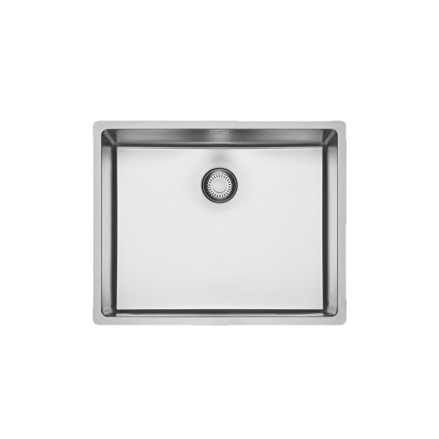 | 2
15 | TILE DRAIN VERTICAL OUTLET 13X13CM (GRADE 316) P.SS AQD-FC052-F-316-SS |  | 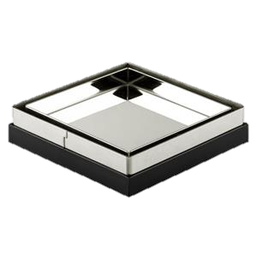 | 10
16 | 1 - CONTRACT REVERSIBLE SHOWER CHANNEL COVER WITH TILE INSERT 695X64.5X18.9MM (GRADE 316) BRUSHED STAINLESS STEEL AQD-SCC-70072-316-BS 2 -CONTRACT SHOWER CHANNEL BASE 700X70X75MM (GRADE 316) BRUSHED STAINLESS STEEL AQD-SCB-70070-316-BS |  | 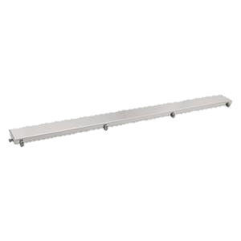 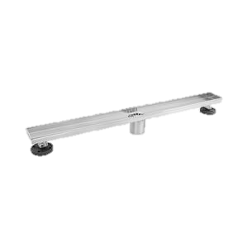 | 8
17 | BAGNODESIGN Smooth Toilet Roll Holder with Cover BDA-SMO-522-A-CP Finish - Chrome | GF:Bedroom 1 ,Bedroom 2 ,External Majlis FF : Girls Bedroom , Boys Bedroom , Girl Bedroom | 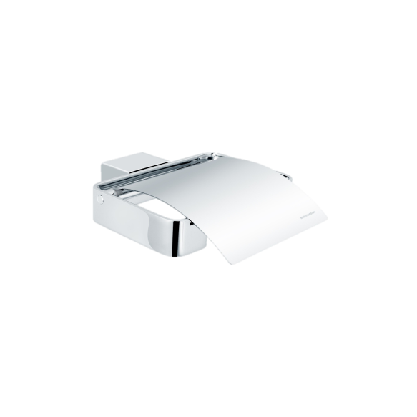 | 6
18 | Kohler Toilet paper holder K-72573T-BV Finish-Vibrant Brushed Bronze | GF : FAMILY LOUNGE WASHES FF : MASTER BATHROOM | 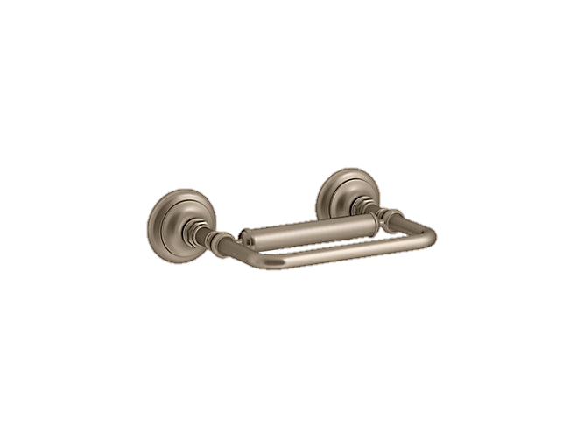 | 2

